Ajustada
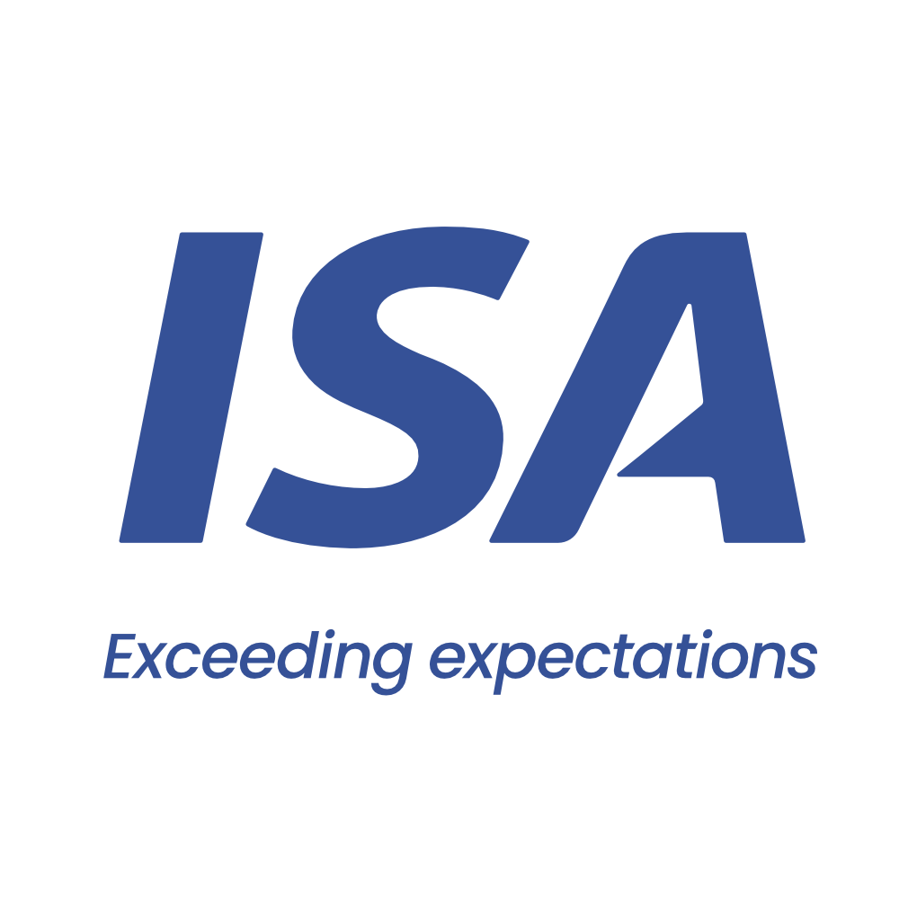

 |  | From 06-03-26 to 09-03-26
 | Initial | Close to Real
VESSEL | ISEACO GRACE | ISEACO GRACE
PORT | SAN LORENZO | SAN LORENZO
BERTH | QUEBRACHO | QUEBRACHO
PERMANENCY | 2 days | 4 days
CURRENCY | USD | USD
ITEM | AMOUNT | AMOUNT
Port dues | 14,815 | 29,630 | Comentarios:
Entrance and light dues | 1,417 | 1,402 | Port Dues base 4 días
Toll dues | 94,134 | 94,549 | Plate sale con Virado de anclas
River plate pilotage | 39,627 | 40,052 | Paraná entra con Fondeo
River plate pilotage anchorage maneuver | 4,144 | 1,740 | Paraná sale con Fondeo en ZC por búnkers
River parana pilotage | 42,386 | 43,080 | Port entra con virado de anclas
River parana pilotage anchorage maneuver | 4,144 | 3,647 | Diferencia con Advance usd 70.000
Port pilotage | 9,473 | 11,359
Launch services for clearence at roads | 575 | 1,150
Mooring & unmooring services | 3,300 | 3,300
Custom house expenses | 200 | 330
Custom house Permanence |  | 1,200
Custom house expenses (cargo) |  | 800
Migration expenses | 1,875 | 3,175
Migration expenses - outward | 1,250
Sanitary dues and free practique | 597 | 440
Garbage compulsory inspection | 96 | 92
Mandatory holds inspection at roads | 1,350 | 2,380
Headclerk compulsory services | 2,992 | 3,629
Launch servicesa at Zona Comun |  | 1,290
Full On hire and BQS survey |  | 1,940
BQS expenses |  | 350
Agency fee | 2,000 | 2,000

TOTAL | 224,375 | 247,534

Our bank account
CITIBANK NA, NY BRANCH 111 WALL STREET / NEW YORK, 10043
ABA: 21000089 / SWIFT: CITIUS33 / ACCOUNT NO:36404074
BENEFICIARY: Independent Ship Agents SA
In order to avoid double income taxation on gross freight, which is equivalent to aproximate 3.5 pct, you must provide us with a tax affidavit. Please let us know if you need assitance on this.

Please note that this is a pro-forma disbursement account only. It is intended to be an estimate of the actual disbursement account and is for guidance purposes only. Whilst does take every care to ensure that the figures and information contained in the pro-forma disbursement account are as accurate as possible, the actual disbursement account may, and often does, for various reasons beyond our control, vary from the pro-forma disbursement account. You are required and liable to pay upon demand, the full amount described and shown in the actual disbursement account. This duty exists regardless of any difference betweeen the figures in this pro-forma disbursement account and the actual disbursement account. For the avoidance of doubt, this pro-forma disbursement account is not a contractual document.

